Sample Calculations
 | GEOMETRY |  |  |  |  |  |  |  | DISTANCE (COUNT)
 |  |  |  |  |  |  |  | N | E | S | W | MIN
Diameter | 100.00 | mm |  |  |  |  | Measured | 31.62 | 44.72 | 70.71 | 63.25 | 31.62
Diagonal | 70.71 |  |  |  |  |  | Count - min | 0.00 | 13.10 | 39.09 | 31.62
 | X | Y | Angle |  |  |  | Smallest | 1000.00 | 13.10 | 39.09 | 31.62 | 13.10
N | 0.00 | 50.00 | 45.00 | 0.79 |  |  | Estimate | 28.81
E | 50.00 | 0.00 | 45.00 | 0.79
S | 0.00 | -50.00 | 45.00 | 0.79
W | -50.00 | 0.00 | 45.00 | 0.79

Target | 10.00 | 20.00
Should be |  |  | 31.62

Estimate | 28.81
 | NORTH | EAST | SOUTH | WEST
Radius | 28.81 | 41.91 | 67.90 | 60.43
 | estimate | Next | a=e + E | b | c | A(Radians) |  | X | Y | Angle | sin | cos | xs | ys
N-E | 28.81 | 13.10 | 41.91 | 28.81 | 70.71 | 0.02 |  | 0.00 | 50.00 | 0.77 | 0.69 | 0.72 | 20.00 | 29.26
E-S | 28.81 | 39.09 | 67.90 | 41.91 | 70.71 | 1.20 |  | 50.00 | 0.00 | 0.41 | 0.40 | 0.92 | 11.65 | 16.89
S-W | 28.81 | 31.62 | 60.43 | 67.90 | 70.71 | 0.90 |  | 0.00 | -50.00 | 1.69 | 0.99 | -0.12 | 7.86 | 17.44
W-N | 28.81 | 0.00 | 28.81 | 60.43 | 70.71 | 0.41 |  | -50.00 | 0.00 | 0.37 | 0.36 | 0.93 | 6.33 | 21.89

Average X | 11.46
Average Y = | 21.37 |  |  |  |  |  |  |  |  |  |  |  |  | This illustrates a pellet landing at location (10,20)

Estimate | 30.84 | Use this value for the next estimate

 |  |  |  |  |  |  |  |  |  |  |  |  |  | Since the pellet landed closest to the North Sensor, all calculations are relative to N

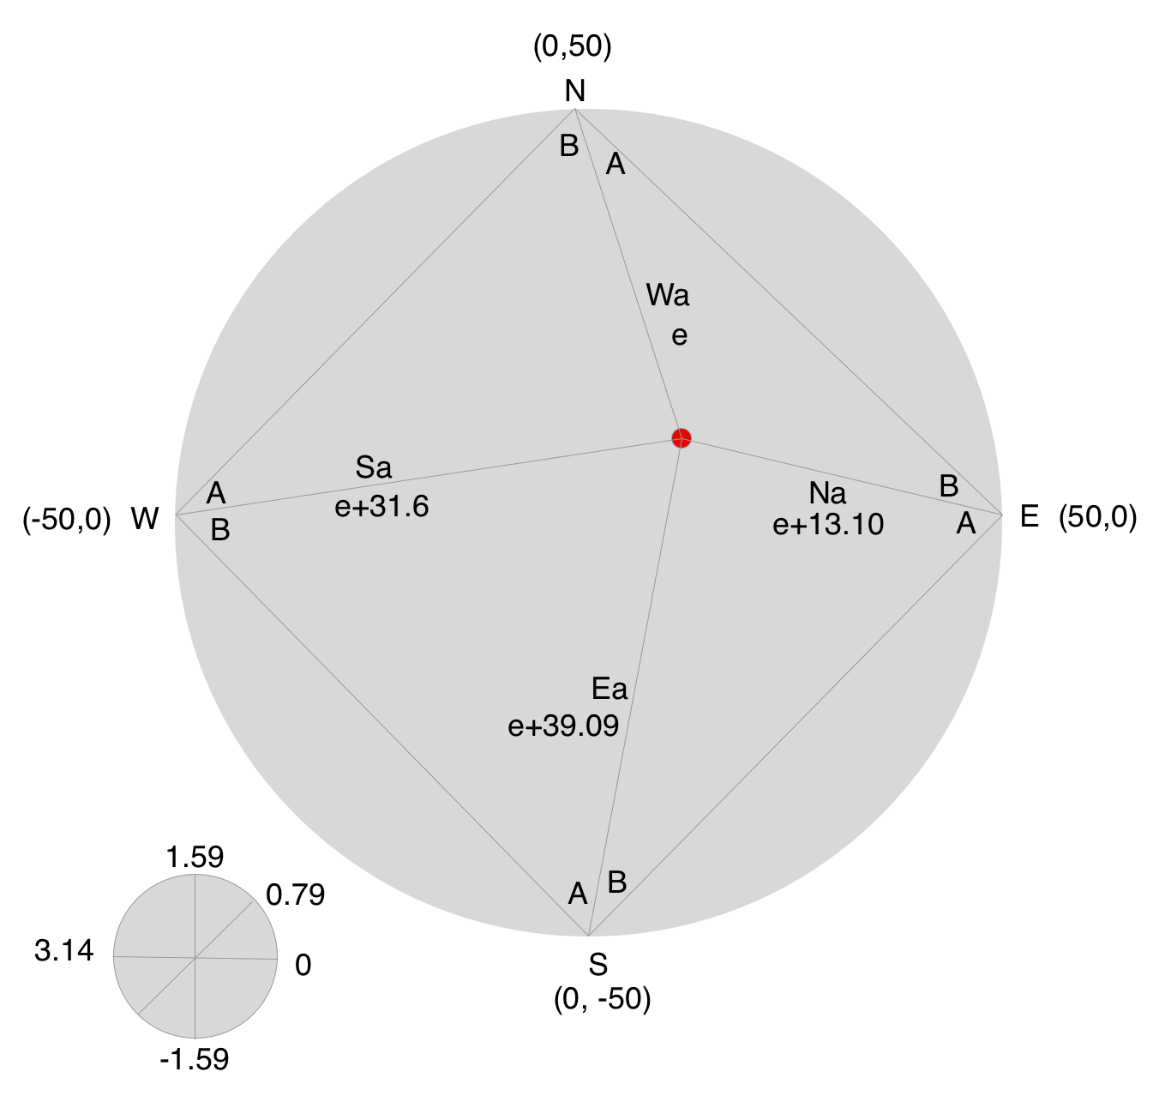

This illustrates the location of the estimate (e) and how the estimate is incorporated into the remaining three sides

 |  |  | 68.91

